Sheet1
Practice Problem 1
The profit level for a router manufacturer using three different plants 1,2,and 3 and the demand level A, B, and C, is given by the following table ($000).Construct an Excel spreadsheet to answer the following:
a. For the information in the table, what decision would be made by using the maximax criterion?
b. For the information in the table, what decision would be made by using the maximin criterion?
c. For the information in the table, what decision would be made using the minimax regret criterion?

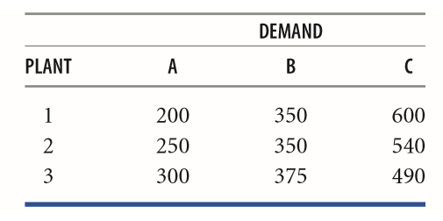

SOLUTION

 | DEMAND
PLANT | A | B | C
1 | 200 | 350 | 600
2 | 250 | 350 | 540
3 | 300 | 375 | 490

Part a- Maximax criterion

 | DEMAND
PLANT | A | B | C | Maximax | Decision
1 | 200 | 350 | 600 | 600 | 1
2 | 250 | 350 | 540 | 540 | not an option
3 | 300 | 375 | 490 | 490 | not an option

Part b- Maximin criterion

 | DEMAND
PLANT | A | B | C | Maximin | Decision
1 | 200 | 350 | 600 | 200 | not an option
2 | 250 | 350 | 540 | 250 | not an option
3 | 300 | 375 | 490 | 300 | 3

Part c- Minimax Regret criterion

 | DEMAND
PLANT | A | B | C
1 | 200 | 350 | 600
2 | 250 | 350 | 540
3 | 300 | 375 | 490

Regret Table
PLANT | A | B | C | Max Regret | Decision
1 | 100 | 25 | 0 | 100 | not an option
2 | 50 | 25 | 60 | 60 | 2
3 | 0 | 0 | 110 | 110 | not an option

